Thyer Worksheet 2015
THYER TREE VALUATION WORKSHEET 2015 |  |  |  | Tree No | 1
Enter data in the | Green Cells | Do not change the | Yellow Cells | Date | June 2021
 |  |  |  | Valuer
LOCATION | Suburban park, Mid-ring suburb, Melbourne, Victoria
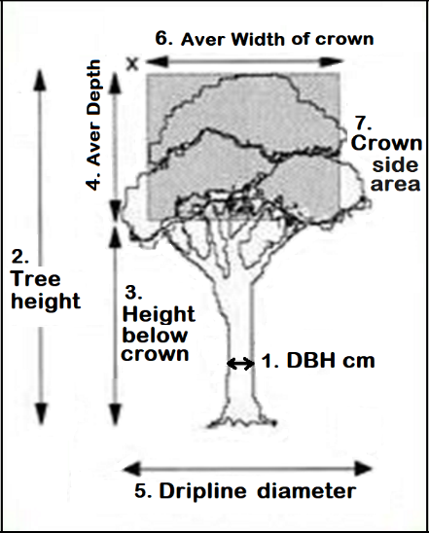
SPECIES | Plane tree |  |  | Measures:
NOTES | Large healthy tree shading childrens playground

SIZE FACTOR (S)
1. DBH cm (Diam at 1.4 m hgt) |  | 60.0 | i. Girth m | 1.89

2. Height of tree m |  | 17.0 | ii. Height m | 17.00

3. Height below crown m |  | 2.0

4. Depth of crown m |  | 15.0

5. Dripline diameter m |  | 18.0 | iii. Dripline m | 18.00

6. Aver Width of crown m |  | 17.0

7. Side view Area of crown m² |  |  | iv. Crown side area m² (4. x 6.) | 255.0

Size Factor: | i. + ii. + iii. + iv. = | 291.89 | ÷ (10 + iv /100 ) = | S = | 23.26
Note for Hedges or Groups: use Aver tree Height, Side view Area and Dripline of total crown, addition of girths of all trunks

AGE FACTOR (A)
Age Factor : | 0.02 x | 60 | + 0.5 = | A = | 1.70
 |  | (age of tree in years)

QUALITIES : PHYSICAL AND SOCIAL (Q)
Qi. Physical. | Enter appropriate scores from table header. May score between values.
 | If any score is zero, total the previous scores only and proceed to Qii.
 | 0 | 1 | 2 | 4 | 8 | Score
Health | Dead or rapidly dying. | Surviving only. Treatment may help recovery | Damaged, diseased or restricted growth. Treatment will help | Normal growth and no recent damage | Thriving and no damage | 4
Environmental benefit | Weed species | Restricts desirable plants or of little benefit to fauna | Beneficial to flora or fauna, provides food source, shelter | Remnant species of native vegetation | Indigenous species being integral part of native ecosystem | 2
Life expectancy beyond present | 0 - 5 years | 5 - 20 years | 20 - 50 years | 50 - 100 years | > 100 years | 2
Re-establishment potential of same species on site | Water required at planting time only | Three months maintenance required | Soil improvement and two year maint. required | Soil improvement, plant protection & ongoing maint. req. | Extremely difficult due to pollution, vandalism etc. | 2
Rate of growth over first 10 years | > 2000 mm/year | 800-2000 mm/yr | 400- 800 mm/yr | 200-400 mm/yr | < 200 mm/year | 2

 |  |  |  | Addition total of Qi. scores |  | 12.0
Qii. Social. | Enter appropriate scores from table header. May score between values, and above 16 for Social Significance.
 | If any score is zero, total the previous scores only and proceed to Planting Cost.
 | 0 | 2 | 4 | 8 | 16 | Score
Social benefit | Dangerous, or totally unsuitable for the site | Hazardous, or outgrown most beneficial size | No special function or some problem characteristics | Special function; screen, flower, fruit, Landscape feature | Tree creates ‘Sense of Place’ | 12
Form and features | Ugly and not interesting | Ordinary or plain | Attractive or interesting for part of the year | Attractive or interesting in all seasons | Superb , appealing specimen | 14
Social Significance | Seldom seen | Seen frequently by private owners or adjacent residents | Seen by neighbour- hood residents or passers by | Known locally or seen by many passers by | Of local historical importance, or known widely | 8

 |  |  |  | Addition total of Qii. scores |  | 34.0

 |  | Physical and Social Qualities Factor = Qi. + Qii = |  |  | Q = | 46.0

SIGNIFICANCE INDEX (S x A x Q) = |  | 1819

PLANTING COST (P)
Landscape industry $ rate to supply & plant a 5 litre tree on local projects in location: |  |  |  | Vic | $ P = | 33.15
 |  |  | With CPI adjustment to Date : | June 2021 | (Financial Quarter)

The following published "Charge-out" rates for NSW, ACT and Victoria are recommended, to be updated by CPI as required.
Landscape NSW & ACT Ltd, Ed 14 Dec 2010 Guideline Schedule of Rates. (Later LNA rates were split into Commercial and Domestic, and "Cost" not "Charge out")
 |  |  | 5 litre plant in bed (10-20 plants, excl GST)$22.00 + 10% in grass area = | NSW & ACT $ P = | 24.20 (Dec 2010)
Landscaping Victoria, Rates Volume 6, June 2015: 200 mm planting in beds (< 50 plants, excl GST) = |  |  |  | Victoria $ P = | 30.00 (June 2015)

Reserve Bank of Australian (RBA) online Inflation Calculator: |  |  | Inflation Calculator for Calendar, Financial and Qtrly periods

TREE VALUE |  | = S x A x Q x P = |  | $ | 60,292

© 1985 Peter Thyer. Rev 2000, 2015 layout.

